Economist Graphic - The Good Ch
 |  | Your name | Han Zhong

 |  | For this graphic, what do you see first? | A dark red bar with an elliptical sign and the white number 5,210. Several other shorter bars.

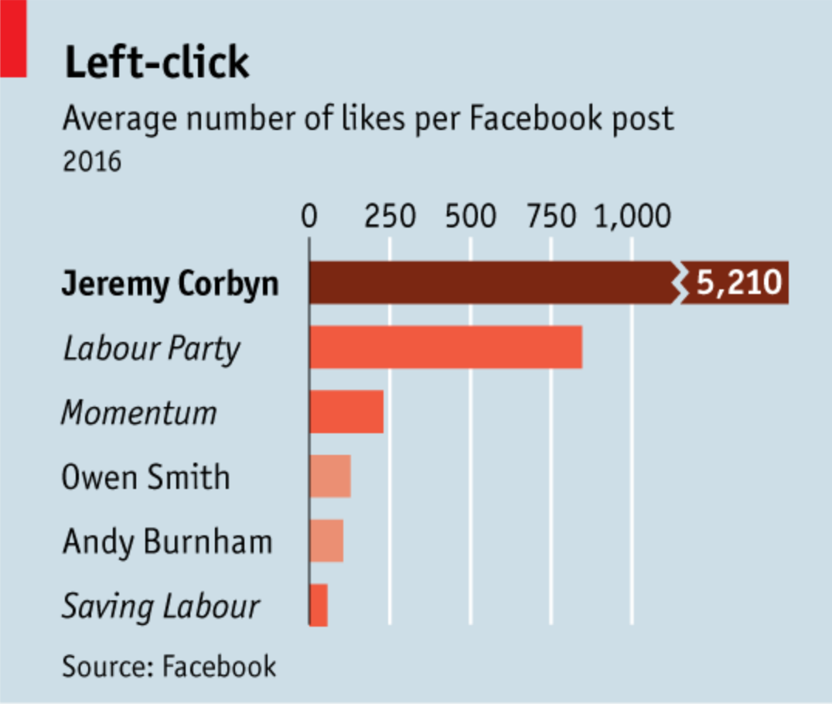 |  | Make a note of the first idea that forms in your mind and then search for more. | This chart tells me the average number of likes those 6 accounts get in their each Facebook post during 2016. After more search I have done, I believe this chart is straight forward, and not misleading. Jeremy Corbyn is the leader of the Labour Party in Britain, and Owen Smith is his rival candidate. But why the maker of this chart put Jeremy Corbyn, Owen Smith and the other 4 accounts in this chart together? Is he/she want to show that Jeremy is more popular so he won the leadership contest of Labour Party in 2016? Because I cannot see the full context of the resource (don't want to pay for the membership of Economics), I cannot figure out what's the reason the maker of this chart put this two candidates with the other three accounts(especially the "Momentum"), and the account of Andy Burnham. the major of Manchester.

 | Article: https://www.economist.com/britain/2016/08/13/the-metamorphosis

 | What I like | What I dislike | What I wish I saw
 | Color of the 6 bars are different but similar. Bolded "Jeremy Corbyn" to highlight that he has much more average number of likes per Facebook post compare to others in this chart. Use the elliptical sign on Jeremy's bar to accurately demonstrate that the Jeremy's number of likes exceed the axis too much. | There's no specific number of likes in the other five accounts other that Jeremy Corbyn. The title of this chart is "Left-click", for someone can only access this chart, it's obsecure. I do not like the background color, it does not match with red bars. | Specific number of likes that all the 6 accounts get. A more pointed headline.

 | What are three things you'd change, and why?
 | I would change... | because....
 | Put the specific average number of likes those 6 accounts get in 2016 | Jeremy had way more average number of likes than the other 5 accounts, but because the Jeremy's bar got omitted, so people cannot tell the huge difference from the length of the bars by first look. The number can help readers gets the huge difference better.
 | A more pointed title, for example: the popularity helped Jeremy took control of Labour. | For those people cannot access the context which explain this chart, it's hard to figure out what's the meaning of this chart. A pointed title can help.
 | The color of the background. Maybe white or light green. | Light blue really doesn't match with the red series, it should be some kind of green or white. With a better background color, this chart can be more beautiful.

References: | Berinato, S. (2016). Good charts: The HBR guide to making smarter, more persuasive data visualizations.
 | “The Metamorphosis.” The Economist, August 13, 2016. https://www.economist.com/britain/2016/08/13/the-metamorphosis.

The Good Charts Matrix
Name of visualization | Design execution (-10 is poor, 10 is excellent) | Contextual awareness (-10 is low, 10 is high)
Economist | 6 | 3

Contextual awareness = what am I trying to say, to whom, and where?
Design execution = How well is this chart constructed?

The Good Charts Matrix

Reference: Berinato, S. (2016). Good charts: The HBR guide to making smarter, more persuasive data visualizations.

